FUSION1
Binary Classification | Agness35 |  | 0 | 1 |  | Fusion Eval. |  | Building name: | Agness35
 |  |  | outdoor | indoor

 |  | Note: We interpolated all the datasets over data collection time interval, then fused them
 |  | Raw | Magnetic |  |  |  |  |  |  | Fusion Result: Light edges as ground truth
 |  | flags | Binary classification result

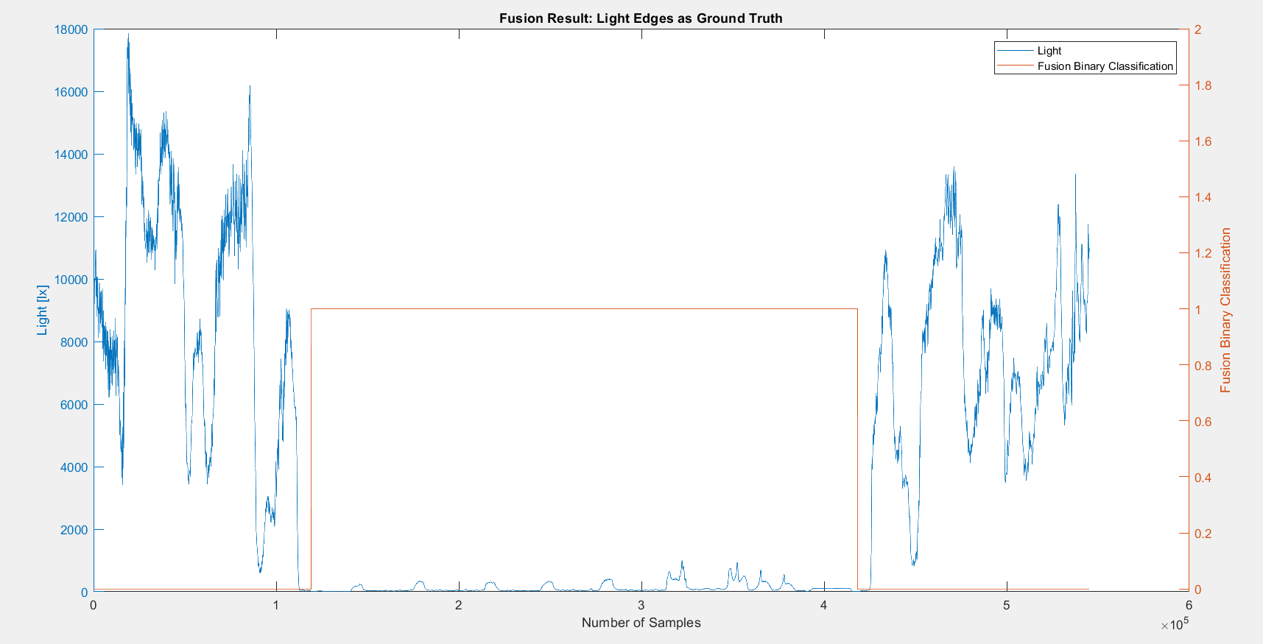
 |  | n= 545224 |  | indoor | outdoor | SUM
 |  |  |  | T | F
 |  | indoor | T | 299172 | 13171 | 312343 |  | sum | 545224
 |  | outdoor | F | 0 | 232881 | 232881
 |  | SUM |  | 299172 | 246052

 |  |  |  | sum | 545224

 |  | TP or (Recall) | 0.9578316146
 |  | TN | 1
 |  | Precision | 1 |  |  |  | Ground Truth
 |  | Accuracy | 0.97584295629 |  |  |  | 112578 | 424921
 |  | F Score | 0.97846168941

 |  | Ground truth: | large edges of light or gps at entrances.

FUSION2
Binary Classification | Agness35 |  | 0 | 1 |  | Fusion Eval. |  | Building name: | Agness35
 |  |  | outdoor | indoor

 |  | Note: We interpolated all the datasets over data collection time interval, then fused them
 |  | Raw | Magnetic |  |  |  |  |  |  | Fusion Result: Light edges as ground truth
 |  | flags | Binary classification result
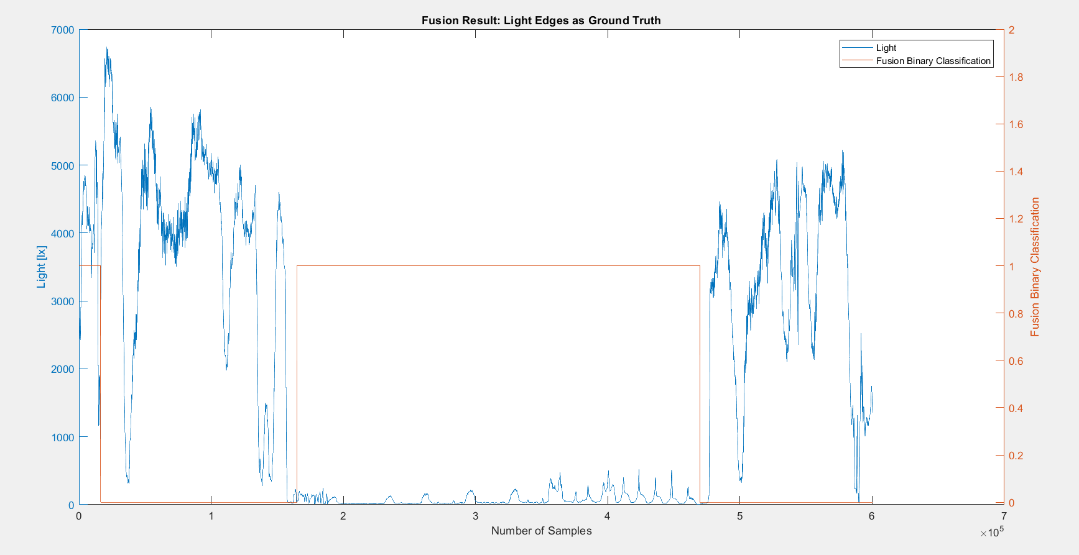

 |  | n=600263 |  | indoor | outdoor | SUM
 |  |  |  | T | F
 |  | indoor | T | 304749 | 13275 | 318024 |  | sum | 600263
 |  | outdoor | F | 16328 | 265911 | 282239
 |  | SUM |  | 321077 | 279186

 |  |  |  | sum | 600263

 |  | TP or (Recall) | 0.95825786733
 |  | TN | 0.9421483211
 |  | Precision | 0.94914615497 |  |  |  | Ground Truth
 |  | Accuracy | 0.95068328383 |  |  |  | 157887 | 475911
 |  | F Score | 0.95368024772

 |  | Ground truth: | large edges of light or gps at entrances.

FUSION3
Binary Classification | Agness35 |  | 0 | 1 |  | Fusion Eval. |  | Building name: | Agness35
 |  |  | outdoor | indoor

 |  | Note: We interpolated all the datasets over data collection time interval, then fused them
 |  | Raw | Magnetic |  |  |  |  |  |  | Fusion Result: Light edges as ground truth
 |  | flags | Binary classification result

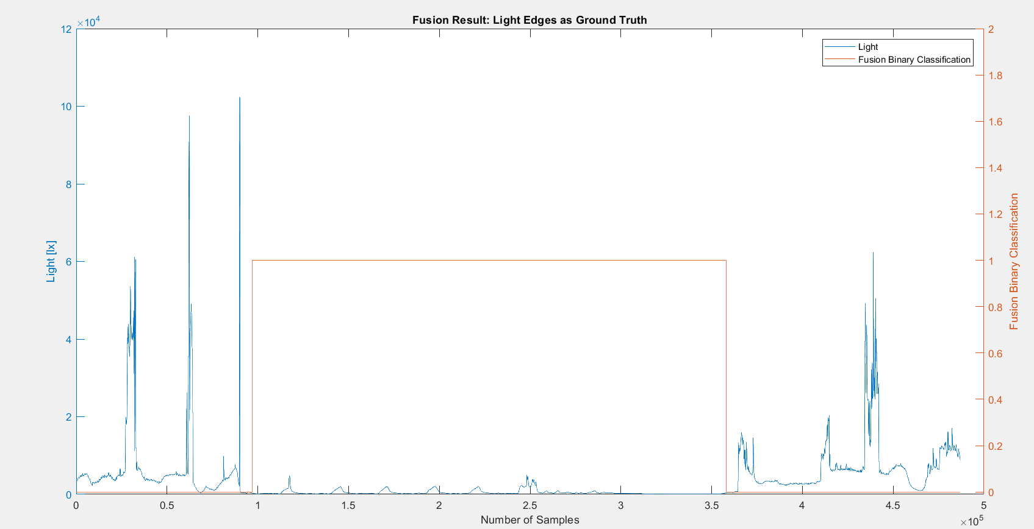
 |  | n=486926 |  | indoor | outdoor | SUM
 |  |  |  | T | F
 |  | indoor | T | 261084 | 0 | 261084 |  | sum | 486926
 |  | outdoor | F | 0 | 225842 | 225842
 |  | SUM |  | 261084 | 225842

 |  |  |  | sum | 486926

 |  | TP or (Recall) | 1
 |  | TN | 1
 |  | Precision | 1 |  |  |  | Ground Truth
 |  | Accuracy | 1 |  |  |  | 97046 | 358130
 |  | F Score | 1

 |  | Ground truth: | large edges of light or gps at entrances.

FUSION4
Binary Classification | Agness35 |  | 0 | 1 |  | Fusion Eval. |  | Building name: | Agness35
 |  |  | outdoor | indoor

 |  | Note: We interpolated all the datasets over data collection time interval, then fused them
 |  | Raw | Magnetic |  |  |  |  |  |  | Fusion Result: GPS edges as ground truth since light was from night and not reliable
 |  | flags | Binary classification result

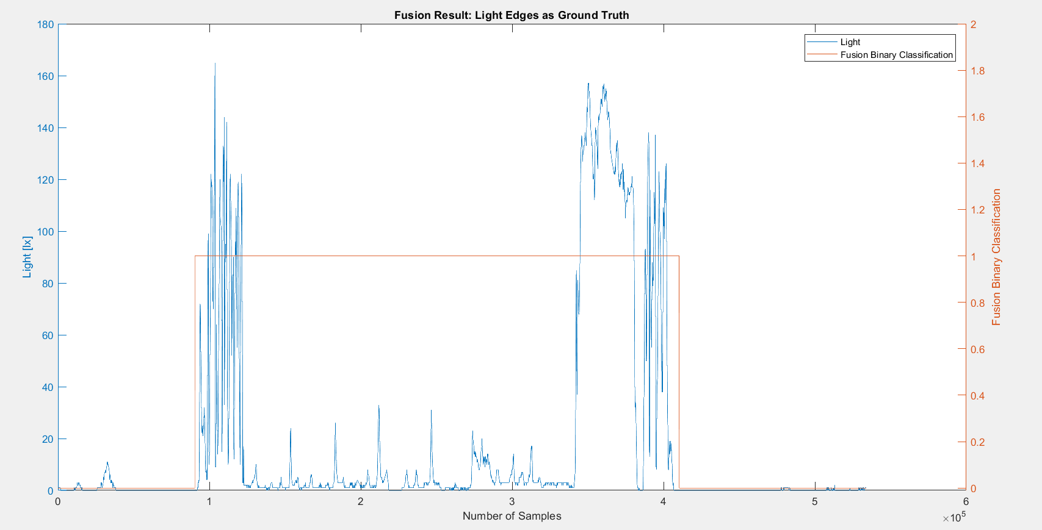
 |  | n=533875 |  | indoor | outdoor | SUM
 |  |  |  | T | F
 |  | indoor | T | 314648 | 0 | 314648 |  | sum | 533875
 |  | outdoor | F | 5352 | 213875 | 219227
 |  | SUM |  | 320000 | 213875

 |  |  |  | sum | 533875

 |  | TP or (Recall) | 1
 |  | TN | 0.97558694869
 |  | Precision | 0.983275 |  |  |  | Ground Truth
 |  | Accuracy | 0.98997518146 |  |  |  | 92013 | 406661
 |  | F Score | 0.99156697886

 |  | Ground truth: | large edges of light or gps at entrances.

